Instructions
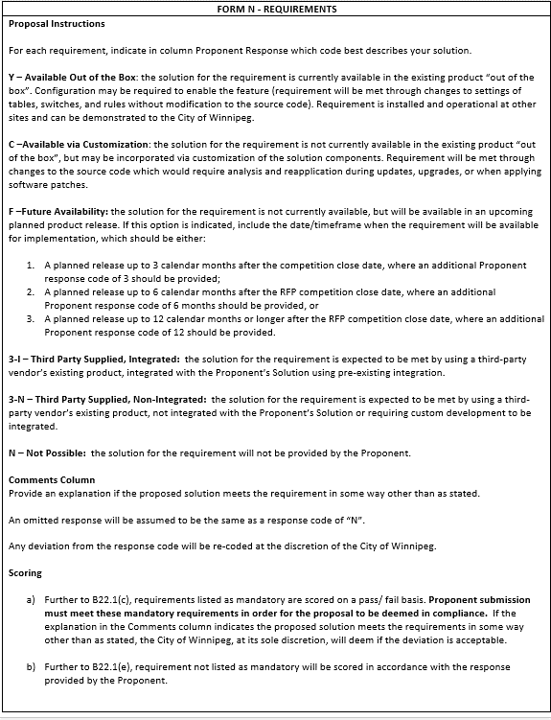
30-2022 Form N - Requirements

